Logical Part1-Mix
Skill
Math - pattern | Q1 | Look at this series: 12, 11, 13, 12, 14, 13, … What number should come next?
 |  | A | 10 | How you got your answer? Do any calculation/working here
 |  | B | 16 | 15, there is a pattern -> 12+1 -> 13+1 -> 14+1 -> 15, skipping the middle numbers
 |  | C | 13
 |  | D | 15

Math - calculate | Q2 | A train running at the speed of 60 km/hr crosses a pole in 9 seconds. What is the length of the train?
 |  | A | 120 metres | How you got your answer? Do any calculation/working here
 |  | B | 180 metres | TSD: s=d/t, apply this basic formula & converting km/h -> m/sec
 |  | C | 324 metres
 |  | D | 150 metres

interpret % | Q3 | Two students appeared at an examination. One of them secured 9 marks more than the other and his marks was 56% of the sum of their marks. The marks obtained by them are:
 |  | A | 39, 30 | How you got your answer? Do any calculation/working here
 |  | B | 41, 32 | simple liner equation problem, where first student got 'x' marks & second got 'x+9' marks. According to the ques, x+9=56%(x+x+9). Solve this eqn & you wil get the required answer.
 |  | C | 42, 33
 |  | D | 43, 34

interpret % | Q4 | A fruit seller had some apples. He sells 40% apples and still has 420 apples. Originally, he had:
 |  | A | 588 apples | How you got your answer? Do any calculation/working here
 |  | B | 600 apples | % problem: Assume fruit seller has 100 apples, 40% he sold means out of 100 => 40 sold. He is left with 60 [as per my assumption] but as per ques he is left with 420. So we will equate 60=420, my 1 apple -> 7, my 100 apple would be -> 700
 |  | C | 672 apples
 |  | D | 700 apples

interpret Average | Q5 | In the first 10 overs of a cricket game, the run rate was only 3.2. What should be the run rate in the remaining 40 overs to reach the target of 282 runs?
 |  | A | 6.25 | How you got your answer? Do any calculation/working here
 |  | B | 6.5 | Average problem: 10*3.2 = 32 in first 10 over, 282-32 =250 runs remaining & 40 overs => 250/40 = 6.25
 |  | C | 6.75
 |  | D | 7

interpret Average | Q6 | A grocer has a sale of Rs. 6435, Rs. 6927, Rs. 6855, Rs. 7230 and Rs. 6562 for 5 consecutive months. How much sale must he have in the sixth month so that he gets an average sale of Rs. 6500?
 |  | A | Rs. 4991 | How you got your answer? Do any calculation/working here
 |  | B | Rs. 5991 | Average problem: 6500 = (6435+6927+6855+7230+6562+X) / 6, Find the X
 |  | C | Rs. 6001
 |  | D | Rs. 6991

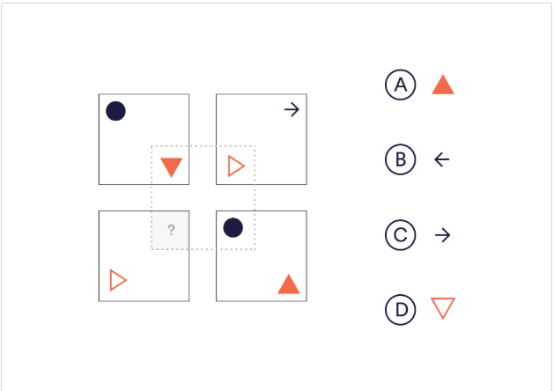
Visual - Pattern | Q7 | Which shape would complete the image?
 |  | A
 |  | B
 |  | C
 |  | D

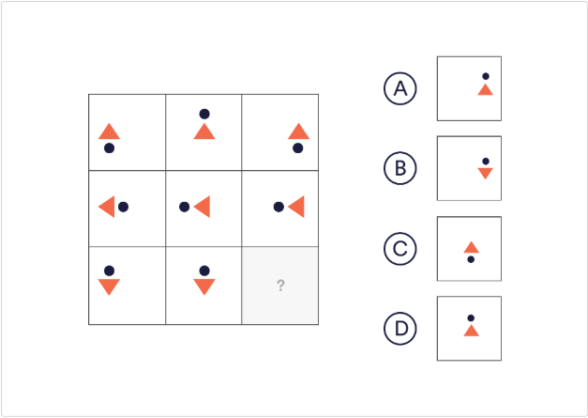
Visual - Pattern | Q8 | Which of the given shapes would complete the sequence? A, B, C, D
 |  | A
 |  | B
 |  | C
 |  | D

Interpret logic | Q9 | Mara runs faster than Gail.
 |  | Lily runs faster than Mara.
 |  | Gail runs faster than Lily.
 |  | If the first two statements are true, the third statement is
 |  | A | True | How you got your answer? Do any calculation/working here
 |  | B | False | M>G | L>M>G
 |  | C | uncertain | L>M
 |  |  |  | G>L
Interpret logic | Q10 | Tanya is older than Eric.
 |  | Cliff is older than Tanya.
 |  | Eric is older than Cliff.
 |  | If the first two statements are true, the third statement is
 |  | A | True | How you got your answer? Do any calculation/working here
 |  | B | False | T>E | C>T>E
 |  | C | uncertain | C>T
 |  |  |  | E>C
Arithmetic reasoning | Q11 | The total of the ages of Amar, Akbar and Anthony is 80 years. What was the total of their ages three years ago ?
 |  | A | 71 years | How you got your answer? Do any calculation/working here
 |  | B | 72 years | Age: X+Y+Z=80, three year prior -> X-3+Y-3+Z-3=80, After solving the eqns => 71
 |  | C | 74 years
 |  | D | 77 years

find odd man out | Q12 | Find the odd man out.
 |  | 3, 5, 11, 14, 17, 21
 |  | A | 21 | How you got your answer? Do any calculation/working here
 |  | B | 17 | 14, even number else all are odd number
 |  | C | 14
 |  | D | 3

find odd man out | Q13 | Find the odd man out.
 |  | 6, 9, 15, 21, 24, 28, 30
 |  | A | 28 | How you got your answer? Do any calculation/working here
 |  | B | 21 | 28, because it doesn't divide by 3
 |  | C | 24
 |  | D | 30

Logical Part3-Interpret data2
The bar graph given below shows the sales of books (in thousand number) from six branches of a publishing company during two consecutive years 2000 and 2001.
 | Sales of Books (in thousand numbers) from Six Branches - B1, B2, B3, B4, B5 and B6 of a publishing Company in 2000 and 2001.
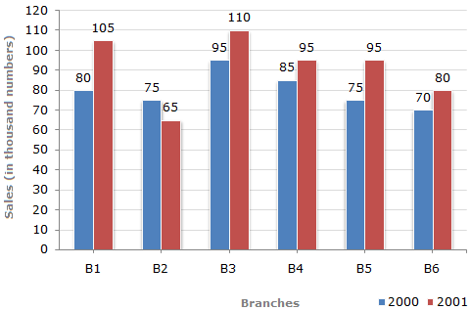

Q18 | Total sales of branch B6 for both the years is what percent of the total sales of branches B3 for both the years?
 | A | 68.54% | How you got your answer? Do any calculation/working here
 | B | 71.11% | B6 (2000+2001) | 150
 | C | 73.17% | B3 (2000+2001) | 205
 | D | 75.55% | % | 73.17%

Q19 | What is the average sales of all the branches (in thousand numbers) for the year 2000?
 | A | 73 | How you got your answer? Do any calculation/working here
 | B | 80 | Average sales for Y2000 | 80
 | C | 83
 | D | 88

Q20 | Total sales of branches B1, B3 and B5 together for both the years (in thousand numbers) is?
 | A | 250 | How you got your answer? Do any calculation/working here
 | B | 310 | B1 (2000+2001) | 185
 | C | 435 | B3 (2000+2001) | 205
 | D | 560 | B5 (2000+2001) | 170
 |  |  |  | 560

